Tutorial Questions
Week 11 Tutorial Questions

Question 1
Is statistical arbitrage true arbitrage? Explain.

Statistical arbitrage is not true arbitrage as true arbitrage is risk free. Meanwhile, statistical arbitrage makes use of relative mispricings between securities based on statistical models and analysis. As such, there is always a margin of error present. Further, statistical arbitrage is open to risk from model accuracy, market movements, execution timing , and unforeseen events that can impact the success of the strategy.

Question 2
A hedge fund with $1 billion of assets charges a management fee of 2% and an incentive fee of 20% of returns over a money market rate, which currently is 5%. Calculate total fees, both in dollars and as a percent of assets under management, for portfolio returns of:
Portfolio Return | Fees in $ | Fees as %
a) -5% | $19,000,000.00 | 2%
b) 0 | $20,000,000.00 | 2%
c) 5% | $20,000,000.00 | 2%
d) 10% | $70,000,000.00 | 6% | Remember the incentive is only multiplied by the actual profit.
 |  |  |  |  |  | AUM | $1,000,000,000.00
 |  |  |  |  |  | Management Fee | 2%
 |  |  |  |  |  | Market Rate | 5%
 |  |  |  |  |  | Incentive fee | 15%

Question 3
A manager buys three shares of stock today and then sells one of those shares each year for the next three years. His actions and the price history of the stock are summarised below. The stock pays no dividends.

 | Beta | R-square | Standard Deviation of Residuals
 | 0.75 | 0.65 | 0.06 (i.e., 6% monthly)

a) If he holds a $2 million portfolio of Waterworks stock, and wishes to hedge market exposure for the next month using 1-month maturity S&P 500 futures contracts, how many contracts should he enter? Should he buy or sell contracts? The S&P 500 currently is at 2,000 and the contract multiplier is $50. |  |  |  | Number of Contracts = Hedge Ratio * (Value of the Portfolio / Price of the S&P 500 Futures Contract * Contract Multiplier)) | Hedge Ratio = Beta of the Stock * (Value of the Portfolio / (Price of the S&P 500 Futures Contract * Contract Multiplier))
b) What is the standard deviation of the monthly return of the hedged portfolio? |  |  |  | Portfolio Variance = (1 - Hedge Ratio)^2 * Variance of Stock + Hedge Ratio^2 * Variance of Futures + 2 * Hedge Ratio * Covariance(Stock, Futures) | Z-score = (Risk-free rate - Mean return) / Standard deviation
c)Assuming that monthly returns are approximately normally distributed, what is the probability that this market-neutral strategy will lose money over the next month? Assume the risk-free rate is .5% per month.

a) The Hedge Ratio is 15. This means for every 1% change in the value of the stock, the manager needs to enter into a position that offsets the equivalent of a 15% change in the value of the S&P500. The hedge ratio is positive, i.e., he needs to purchase contracts as he needs a long position. The number of contracts needed is equal to 15 * (2000000 / (2000*50)) i.e., he needs to purchase 300 contracts.

 |  |  |  | Hedge Ratio | 15
b) With all |  |  |  | Contracts to Purchase | 300
 |  |  |  | Portfolio Variance

c) With a Z-score of 0.0833 we can estimate that the probability of losing money is approximately 46.81%. |  |  |  | Z-Score | 0.083333333333

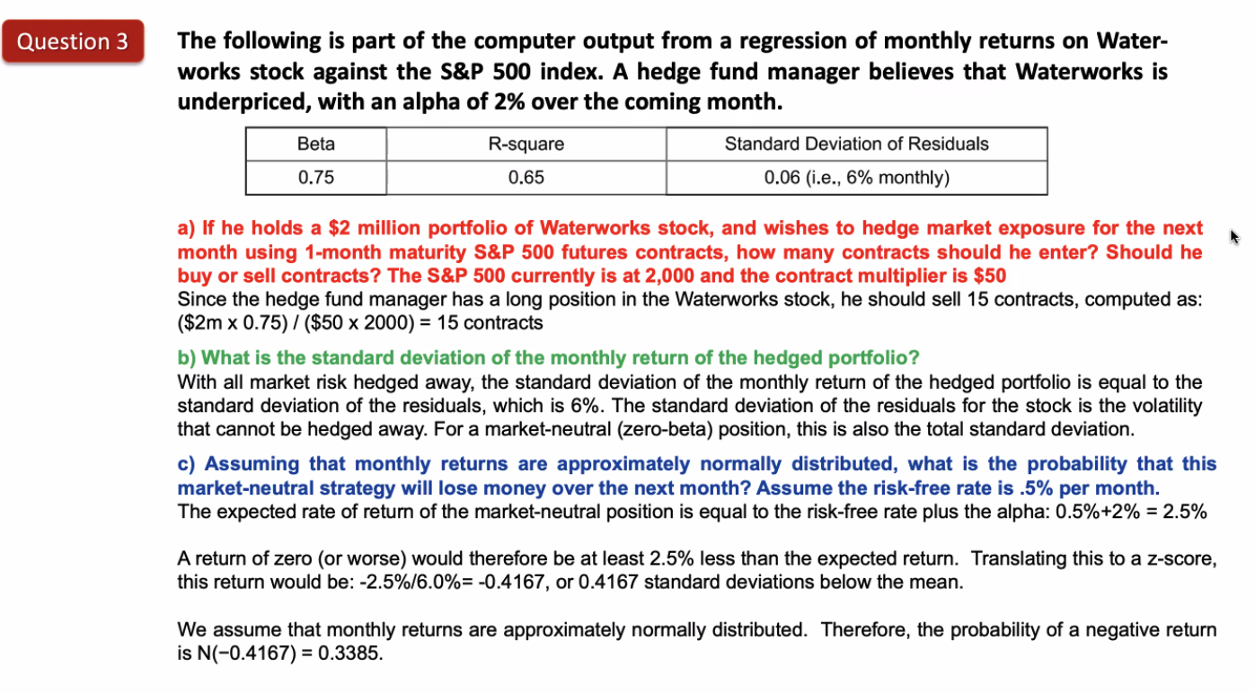

Question 4
Say a 5% out of the money put option costs 0.5% of the price of the underlying. A hedge fund manager decides to sell 100 of these 5% out of the money put options per unit of the S&P 500 index they hold long. This position is set/reset at the start of each month.
Find the data for this question in the second tab titled 'SP500'

a)How would such a strategy have performed from the beginning of 2004 until the end of 2006?

b) How would this strategy have performed from the beginning of 2007 until the end of 2009?

c) What can you conclude about the risk in such a strategy?

a) Initially calculate the monthly returns and the cumulative returns from the beginning of 2004 until the end of 2006. Return = (Price at the end of the month - Price at the beginning of the month) / Price at the beginning of the month

Question 5
Go to and sign up (for free) to access the Credit Suisse hedge fund data base. Using the data provided in the wrap-up of module 10, perform a style analysis of the long/short equity fund using monthly data in USD. Explain what the exposure to the provided factors means with respect to the stated hedge fund strategy.
Find the data for this question in the second tab titled 'USD Data'

